Fossil Fuel direct investments
Name | Dyfed Pension Fund |  |  | Total Holdings March 2014
Total holdings | 1,694,781,327 |  |  | £1.667bn | http://www.dyfedpensionfund.org.uk/English/investments/Documents/Annual%20Report%202014%20-%20English.pdf
Total fossil fuel holdings | 64,816,265
Percentage in fossil fuels | 3.82%

Top 10 Fossil Fuel Holdings |  |  | This excludes holdings through pooled funds - see next sheet
Amount |  | Name
19,289,133.71 | 1.14% | ROYAL DUTCH SHELL A ORD
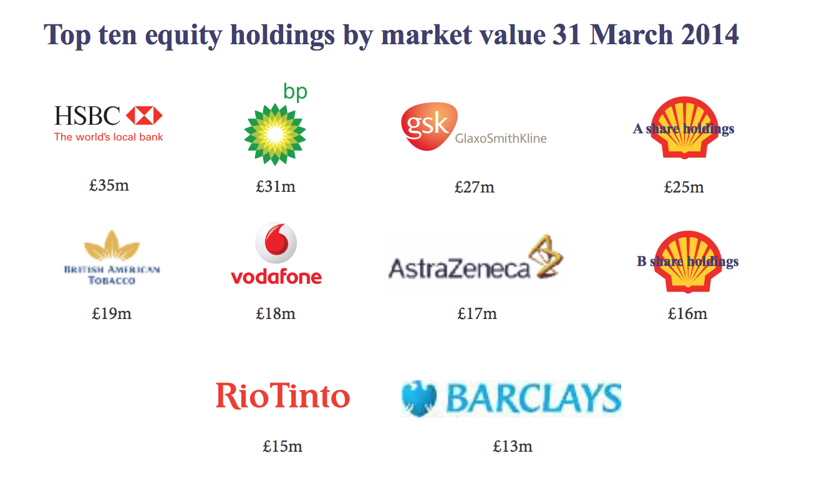
19,230,660.27 | 1.13% | BP AMOCO PLC USD 0.25 LON LIST
12,613,189.95 | 0.74% | ROYAL DUTCH SHELL B ORD
8,053,275.74 | 0.48% | BHP BILLITON (UK REG)
3,794,705.20 | 0.22% | ANGLO AMERICAN ORD USD .54
1,549,102.50 | 0.09% | TULLOW OIL PLC ORD GBP 0.1
167,470.91 | 0.01% | KAZAKHMYS PLC
99,930.66 | 0.01% | EVRAZ PLC ORD USD1
13,193.25 | 0.00% | ASIA RESOURCE MINERALS PLC
5,602.60 | 0.00% | NEW WORLD RESOURCES PLC ORD EUR0.40 A

